3.3-Taxation 1
References to points in Annex III of GOV | 3.3) Information on taxation measures
 | [Duplicate this tab if there are several taxation measures to notify. / Delete this tab if no taxation measure is planned for 2021-2030]
3.3.a) to 3.3.e) | General information |  |  | GWh to ktoe | 0.085984522786

 | Name of the policy measure | Energy taxes (excise duty and VAT) on the following: - Electricity - Heat - Natural gas - Gasoline - Diesel - Specially marked diesel - Firewood - Wood residue
3.3.a) | Short description of the taxation measure (including its objectives) | Excise duty and VAT are recognised as consumption taxes levied on certain groups of goods. Since excise duty and VAT are, by their nature, consumption taxes, the tax burden of imposing that tax is passed on to the final consumer, who pays the excise duty and/or VAT included in the price when he/she purchases a product (in this case electricity or certain fuels). Because of the excise tax and/or VAT's effect on prices, it influence the behaviour of final consumers towards an increased use of energy-efficient technologies and/or more economical use of the resource.
3.3.b) | Duration of taxation measure (point 5(iv) of Annex V) | Excise duty for electricity and certain fuels is set out in the Excise Duty Act, which has been in force since 01.01.2008 and there has been no indication for it to be scrapped. The VAT for electricity and certain fuels is set out in the Value-Added Tax Act, which has been in force since 10.12.2003 and there has been no indication for it to be scrapped. As there have been no indication for either Act to be scrapped it is considered appropriate to assume that they will continue for the foreseeable future.
3.3.c) | Implementing public authority (point 5(ii) of Annex V) | Republic of Estonia Tax and Customs Board
3.3.e) | Target sectors and segment of taxpayers (point 5(i) of Annex V) | Excise duty and VAT on electricity and certain fuels is paid by all final consumers of the respective resources. As such it applies to both households and non-households and is sector agnostic (includes all sectors which use the resource). The only exception is specially marked fuel the use of which is only allowed within the agricultural and fishing industries.
 | Source(s) of information (including the reference of the related law or other legal text(s)) | The Alcohol, Tobacco, Fuel and Electricity Excise Duty Act (RT I 2007, 45, 319) is the main legal document in Estonia setting out the key principles relating to the excise duty on electricity and certain fuels. The Value-Added Tax Act (RT I 2003, 82, 554) is the main legal document in Estonia setting out the key principles relating to VAT on electricity and certain fuels.
3.3.d) | Expected savings for 2021-2030 (point 5(iii) of Annex V)

 | Expected cumulative end-use energy savings | 580.0 | ktoe | (in case of changes over time) | 2021 | 2022 | 2023 | 2024 | 2025 | 2026 | 2027 | 2028 | 2029 | 2030
 | Expected annual end-use energy savings | Please see the table opposite for expected annual savings. | ktoe/year | Expected new annual end-use energy savings (in ktoe/y) | 43.83 | 54.63 | 60.20 | 60.20 | 60.20 | 60.20 | 60.20 | 60.20 | 60.20 | 60.20
Useful information | Complementary explanations (when relevant) | N/A |  | Expected new annual end-use energy savings (in GWh/y) | 509.78 | 635.4 | 700.08 | 700.08 | 700.08 | 700.08 | 700.08 | 700.08 | 700.08 | 700.08

3.3.f) | Calculation methodology (information requirements set in points (4) and 5(v) of Annex V)

 | Calculation method(s) used | 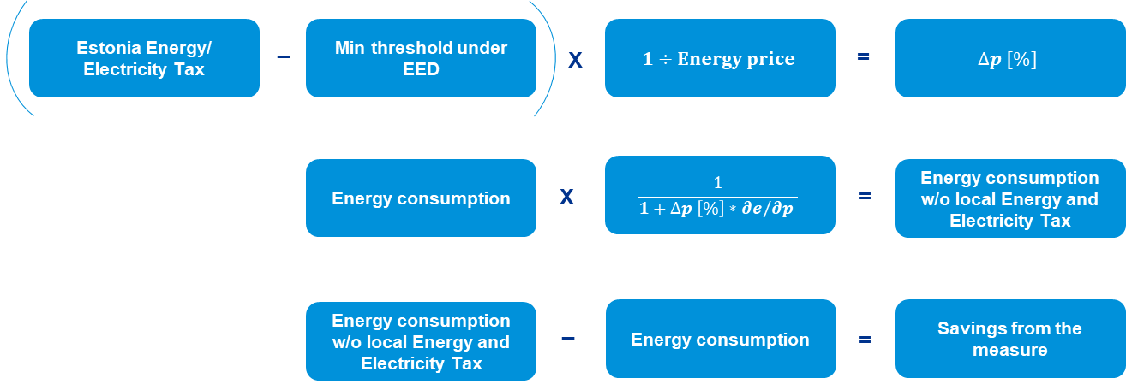 The savings calculations have been performed according to the formula as set out in Appendix IV of the "European Commissions recommendations on transposing the energy savings obligations under the Energy Efficiency Directive". The savings as per the formula arise from Estonia's higher taxation levels of excise duty and/or VAT applicable on electricity and certain fuels compared to the minimum levels set by the EU for those same resources.
 | Approach to calculating savings (point (4)(a) of Annex V) | As per the methodology detailed above the savings have been calculated using the following approach: - Step 1: Calculating the difference between the applicable energy taxation rate in Estonia (excise tax, VAT or both depending on the resource under consideration) and the EU minimum taxation level for the resource under consideration. If during the period under consideration the Estonian electricity excise tax and/ or VAT is above the EU minimum level savings are identified. - Step 2: The observed consumption of the resource under consideration for each specific year under review is multiplied by the price delta (takes into account the price elasticity of consumption of the resource and the difference in price between the Estonian taxation level and minimum EU level). As a result of the multiplication one can establish the consumption level of the resource under consideration if the EU minimum rates had been applicable in Estonia. - Step 3: This consumption is then compared to the normal consumption under the Estonian tax regime, and the difference between the two are the energy savings achieved through Estonia implementing higher taxes on energy consumption (compared to the EU minimum).
 | Elasticities (short-term) (point (4)(b) of Annex V) | The following short term elasticities had been used: - Electricity -0.11 (Source: Sweden’s Integrated National Energy and Climate Plan (January 2020)) - Heat -0.28 (Source: KPMG (2020) - Development of calculation methodologies for financial measures suitable for fulfilling the national energy savings obligation and assessment of energy saving potential) - Natural gas -0.26 (Xavier Labandeira et al. A meta-analysis on the price elasticity of energy demand. Energy Policy 102 (2017)) - Gasoline -0.20 (Source: PWC (2019) - Risks, opportunities and impact of excise policy on the economic environment in the conditions of cross-border trade) - Diesel -0.13 (Source: PWC (2019) - Risks, opportunities and impact of excise policy on the economic environment in the conditions of cross-border trade) - Specially marked diesel -0.13 (equalised to diesel) - Firewood -0.26 (Bengt Hillring. Price formation on the Swedish woodfuel market. Biomass and Bioenergy 17) - Wood residue -0.26 (equalised to firewood) A number of approaches were used to establish the elasticities to be used as part of calculating the energy savings. Firstly, where possible country specific elasticities for Estonia had been used if these had been calculated by recognised institutions and/or organisations. If for a specific resource/s there had been no Estonia specific elasticity calculated then we would analyse if a neighbouring country similar to Estonia has established an elasticity for the resource in question. For example for electricity as there had been no Estonia specific elasticity calculated we had used the electricity price elasticity used by Sweden for its energy savings reporting (Sweden's Integrated National Energy and Climate Plan, 2020). The Swedish elasticity was calculated through performing extensive econometric modelling and was performed recently (2019). Sweden is also a close neighbour of Estonia. Therefore given that the rate was derived using best practice calculation standards and Swede
 | Elasticities (long-term) (point (4)(b) of Annex V) | N/A
 | How lifetimes are addressed in savings calculations (point 2(e) of Annex V) | Even though taxation instruments last for long periods of time (decades) from an energy savings perspective one can consider them as short term measures, with the tax seemingly starting at the beginning of the year and finishing at the end of the year, with the process repeated as long as the tax is applicable (and fulfils the requirement of being above the EU minimum applicable rate). As such the impact of the tax in question is calculated separately for each specific year of the period under consideration (in this case 2021-2030) and the savings achieved are considered to be new for each year.
 | How is double counting with other policy measure(s) avoided? (point (4)(c) of Annex V) | Given that there are no other measures used to generate savings which come about through impacting the price of electricity and certain fuels it is considered that the savings achieved are not double counted.
 | Independance from the implementing public authority | The savings calculations are performed by the Ministry of Economic Affairs and Communications of Estonia, with the required data derived from reputable statistical sources such as Eurostat and the Estonian National Statistical Agency (Statistikaamet). Even though some additional data may be sought from the implementing authority (The Estonian Tax and Customs Board) that is mostly for review purposes. As such it is believed that there are no issues regarding independence.
Useful information | Complementary explanations and source(s) of information | Complementary information: It is also worth pointing out that the energy savings analysis did not consider the impact of VAT on non-household consumption of electricity and certain fuels. This is because most non-household consumers are VAT registered and are allowed to set-off input and output VAT. Given that non-household consumers can take advantage of VAT registration the impact on energy consumption is not as clear cut and therefore it has not been considered under the energy savings calculations. Sources of Information: Estonian National Statistics Agency (Statistikaamet) tables KE024, KE023E, KE08 ja TEN00118 (for consumption and price information) IEA Prices and Taxes quarterly report (for price information) Republic of Estonia Tax and Customs Board (for applicable Estonian excise duty and VAT rates) Sources for all elasticities used have been provided under an earlier point Directives 2003/96/EC ja 2006/112/EC (for the European Union minimum taxation levels)

